Sheet1
 | WHYM Fall 2015 Registration |  | Facilities and Meal Fees
 | October 9-12, 2015 |  |  |  | Full weekend Price: Adult $230.16 & Young Friend $145.11
 | Shekinah Retreat Centre, Saskatchewan |  | Main Registrant Name: | $0.00
 | Registration deadline is Sept 30, 2015 |  |  | Friday | # folks | cost
 | Email your completed or scanned registration form to : bassish@gmail.com |  | Accommodations (Adults) | $42.00 | X | = | $0.00 | Daily Total:
 | Registrar: Elizabeth Curry 306-540-2384 bassish@gmail.com |  | (Young friends 4-18) | $15.00 | X | = | $0.00 | $0.00
Main Registrant Name: |  |  |  | Saturday | # folks | cost
Email: |  |  | Breakfast | $9.40 | X | = | $0.00
Phone Number: |  |  | Lunch | $13.10 | X | = | $0.00
Home Adress: |  |  | Dinner | $18.40 | X | = | $0.00
Meeting: |  |  | Accommodations (Adults) | $42.00 | X | = | $0.00 | Daily Total:
Expected time of arrival: |  |  | (Young friends 4-18) | $15.00 | X | = | $0.00 | $0.00
 |  |  |  | Sunday | # folks | cost
Accompanying Family Members, Companions, Friends |  |  | Breakfast | $9.40 | X | = | $0.00
(please include ages for persons under 20 years) |  |  | Lunch | $13.10 | X | = | $0.00
 |  | yrs | Dinner | $20.40 | X | = | $0.00
 |  | yrs | Accommodations (Adults) | $42.00 | X | = | $0.00 | Daily Total:
 |  | yrs | (Young friends 4-18) | $15.00 | X | = | $0.00 | $0.00
 |  | yrs |  | Monday | # folks | cost |  | Daily Total:
 |  | yrs | Breakfast | $9.40 | X | = | $0.00 | $0.00
 |  | yrs
 |  | yrs |  |  |  |  | Total: | $0.00
 |  |  |  |  |  |  | GST (5%) | $0.00
Please describe any special needs for accommodations of attendees: |  |  |  |  |  |  | Grand Total: | $0.00
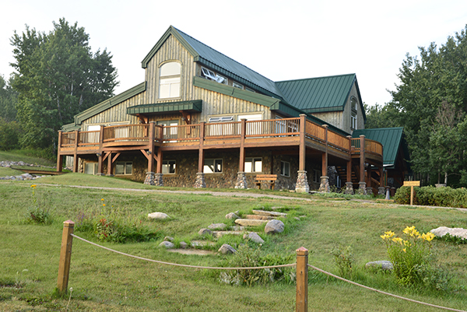
Please describe any food allergies/dietary restrictions of attendees:

Is transportation from the Saskatoon Bus or Air terminal required by Attendees?
Please list dates and times:

