Sheet1
 | WHYM Fall 2017 Registration |  | Facilities and Meal Fees
 | October 6-9, 2017 |  |  | Full weekend chalet + food: Adult $248.85 Young Friend:(O-3yrs) Free (4-10yrs)$100.80 (11-18)$154.35
 | Shekinah Retreat Centre, Saskatchewan |  | Main Registrant Name: | $0.00
 | Registration deadline is Sept 20, 2017 |  |  | Friday | # folks | cost
 | Email your completed or scanned registration form to : bassish@gmail.com |  | Chalet (Adults) | $45.00 | X | = | $0.00
 | Registrar: Elizabeth Curry 306-540-2384 bassish@gmail.com |  | Chalet(Young friends 4-18) | $15.00 | X | = | $0.00
Main Registrant Name: |  |  | Non-electrical Campsite | $9.00 | X | = | $0.00 | Daily Total:
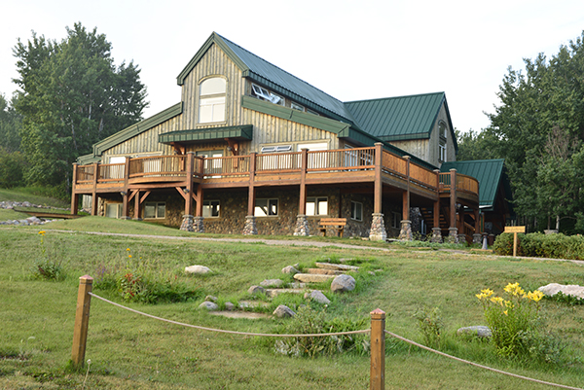
Email: |  |  | Electrical Campsite | $18.00 | X | = | $0.00 | $0.00
Phone Number: |  |  |  | Saturday | # folks | cost
Home Adress: |  |  | Breakfast | $10.50 | X | = | $0.00
 |  |  | Lunch | $14.50 | X | = | $0.00
Meeting: |  |  | Dinner | $21.50 | X | = | $0.00
Time/date of arrival: |  |  | Breakfast (under 10yrs) | $5.25 | X | = | $0.00
Accompanying Family Members, Companions, Friends |  |  | Lunch (under 10yrs) | $7.25 | X | = | $0.00
(please include ages for persons under 20 years) |  |  | Dinner (under 10yrs) | $10.75 | X | = | $0.00
 |  | yrs | Day use rate if not staying in Chalet (Adult) | $22.50 | X | = | $0.00
 |  | yrs | Day use (4-18 yrs) | $10.00 | X | = | $0.00
 |  | yrs | Non-electrical Campsite | $9.00 | X | = | $0.00
 |  | yrs | Electrical Campsite | $18.00 | X | = | $0.00
 |  | yrs | Chalet (Adults) | $45.00 | X | = | $0.00 | Daily Total:
 |  | yrs | Chalet (Young friends 4-18) | $15.00 | X | = | $0.00 | $0.00
 |  | yrs |  | Sunday | # folks | cost
 |  |  | Breakfast | $10.50 | X | = | $0.00
 |  |  | Lunch | $14.50 | X | = | $0.00
Please describe any special needs for accommodations of attendees: |  |  | Dinner | $21.50 | X | = | $0.00
 |  |  | Breakfast (4-10yrs) | $5.25 | X | = | $0.00
 |  |  | Lunch (4-10yrs) | $7.25 | X | = | $0.00
 |  |  | Dinner (4-10yrs) | $10.75 | X | = | $0.00
Please describe any food allergies/dietary restrictions of attendees: |  |  | Day use rate if not staying in Chalet(adult) | $22.50 | X | = | $0.00
 |  |  | Day use (4-18 yrs) | $10.00 | X | = | $0.00
 |  |  | Non-electrical Campsite | $9.00 | X | = | $0.00
 |  |  | Electrical Campsite | $18.00 | X | = | $0.00
 |  |  | Chalet (Adults) | $45.00 | X | = | $0.00 | Daily Total:
Is transportation from the Saskatoon Bus or Air terminal required by Attendees? Please list dates and times: |  |  | Chalet(Young friends 4-18) | $15.00 | X | = | $0.00 | $0.00
 |  |  |  | Monday | # folks | cost
 |  |  | Breakfast | $9.00 | X | = | $0.00 | Daily Total:
 |  |  | Breakfast (4-10yrs) | $4.50 | X | = | $0.00 | $0.00
 |  |  |  |  |  |  | Total: | $0.00
 |  |  |  |  |  |  | GST (5%) | $0.00
 |  |  | All prices are at cost or subsidized. |  |  |  | Grand Total: | $0.00
 |  |  |  |  |  |  | Donation to WHYM:
 |  |  |  |  |  |  | Final Total: | $0.00

